INDEX
Investor kit - 9M'19

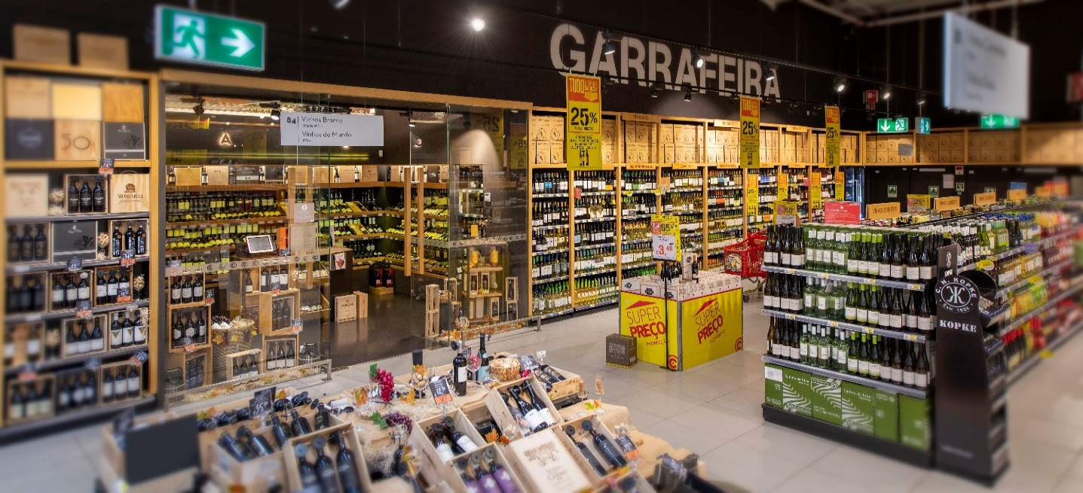
1.1. | Turnover
1.2. | LFL sales growth
1.3. | Consolidated results
1.4. | Consolidated balance sheet
1.5. | Cash-flow
1.6. | Segments
1.7. | Consolidated results (pre IFRS 16)
1.8. | Consolidated balance sheet (pre IFRS 16)
1.9. | Stores
1.10. | Sales area
1.11. | Freehold
1.12. | Glossary | Wine cellar at a Continente store

Sonae MC’s new perimeter
Proforma unaudited figures reported according to IFRS 16

